Guidance
This tab contains some data to help provide guidelines for setting AEBC values.
As AEBC is specifically designed to estimate the effects of economic recessions
or booms that aren't reflected in available input data, the data used to estimate
this variable are only guidelines.

Example 1: The Great Recession (2008-2009) in the U.S.

Energy use is strongly seasonal in some sectors (particularly residential and commercial buildings),
so we need to compare the same range of months during the recession and before the recession.

Q4 2017 | Pre-recession peak quarter
Q2 2009 | Recession trough, last quarter of recession

We will sample from a whole year of the recession to get a range of severity levels and to
even out seasonal variation. The pre-recession sample also must be one year but need not have
the same start and end calendar quarters (since both samples are a full year and include all months).

Period | Sample | Average Population (M) | Total GDP Across Period (B 2012 USD) | Per Capita Real GDP (thousand 2012 USD/person)
Q1 2007 - Q4 2007 | Pre-recession 1-year sample | 301.696 | 15626 | 51.79
Q3 2008 - Q2 2009 | Recession 1-year sample | 305.905 | 15255 | 49.87

-3.7% | Per Capita GDP Change

Energy Use by Sector
 | Residential Buildings | Commercial Buildings | Industry | Transport | Electricity | Note that the Electricity Sector energy use multiplier is only used to adjust imports and
Q1 2007 - Q4 2007 | 21523 | 18252 | 32305 | 28815 | 40370 | exports of electricity and of certain fuels used by the electricity sector.
Q3 2008 - Q2 2009 | 21368 | 18153 | 29184 | 26828 | 38946 | Changes in domestic electricity demand are derived from the buildings, transport, and industry sectors' multipliers.
% Change | -0.7% | -0.5% | -9.7% | -6.9% | -3.5%

Sensitivity to GDP Cng | 0.19 | 0.15 | 2.60 | 1.85 | 0.95

To use these multipliers, we need annual estimates of GDP change due to economic shocks,
not short-term (quarterly, monthly) GDP change, because the AEBC data series has annual
increments.

Estimated U.S. GDP reduction due to SARS-CoV-2 pandemic in 2020
-3.8% | Goldman Sachs estimate of change in real GDP in 2020 (annual total)
1.75% | Goldman Sachs no-pandemic counterfactual GDP change estimate for 2020
 | Remember we must use the counter-factual GDP from the source that specifies the pandemic's
 | impact for this calculation, not the GDP assumed in the EPS model's input data files.
-5.55% | Magnitude of 2020 GDP change relative to baseline due to pandemic

Estimated U.S. Energy Demand Multipliers for AEBC in 2020

 | Residential Buildings | Commercial Buildings | Industry | Transport | Electricity
2020 | -0.01 | -0.01 | -0.14 | -0.10 | -0.05

Estimating Pandemic Impact in Years Beyond 2020

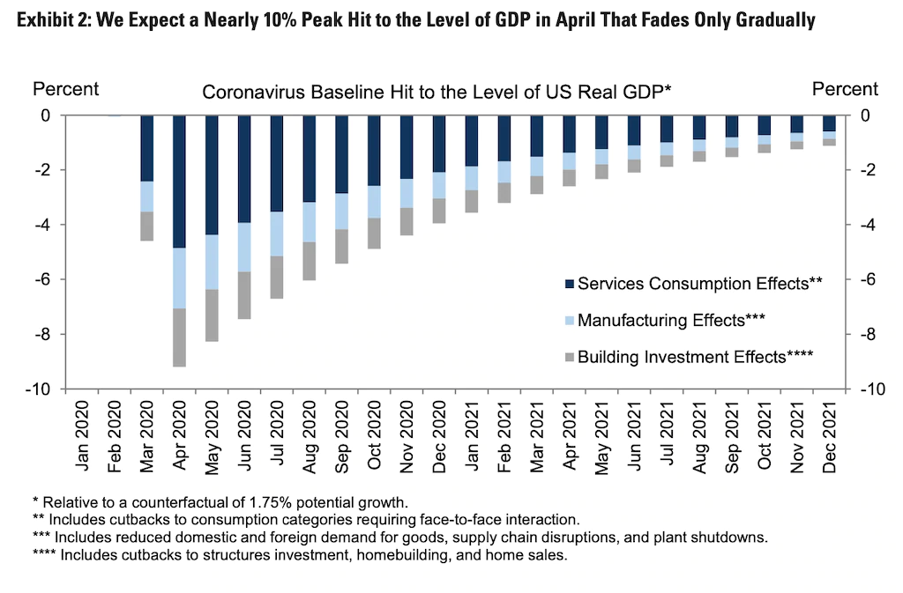
Month | Goldman Sachs GDP Prediction
Jan-20 | 0%
Feb-20 | 0%
Mar-20 | -4.70%
Apr-20 | -9.20%
May-20 | -8.30%
Jun-20 | -7.70%
Jul-20 | -6.80%
Aug-20 | -6.00%
Sep-20 | -5.30%
Oct-20 | -4.90%
Nov-20 | -4.30%
Dec-20 | -4%
Jan-21 | -3.40%
Feb-21 | -3.10%
Mar-21 | -2.90%
Apr-21 | -2.60%
May-21 | -2.40%
Jun-21 | -2.10%
Jul-21 | -1.90%
Aug-21 | -1.80%
Sep-21 | -1.60%
Oct-21 | -1.30%
Nov-21 | -1.10%
Dec-21 | -1.00%

Year | Area Above Curve
2020 | -0.61
2021 | -0.25
This is roughly a 60% reduction in impact in 2021 relative to 2020.
We assume further 60% reduction in impact each year until impact is too small to be worth modeling.

Year | Impact Relative to Year 2020 | Residential Buildings | Commercial Buildings | Industry | Transport | Electricity
2020 | 1 | -0.01 | -0.01 | -0.14 | -0.10 | -0.05
2021 | 0.4 | 0.00 | 0.00 | -0.06 | -0.04 | -0.02
2022 | 0.16 | 0.00 | 0.00 | -0.02 | -0.02 | -0.01
2023 | 0.06 | 0.00 | 0.00 | -0.01 | -0.01 | 0.00
2024 | 0.03 | 0.00 | 0.00 | 0.00 | 0.00 | 0.00
2025 | 0.01 | 0.00 | 0.00 | 0.00 | 0.00 | 0.00
2026 | 0.00 | 0.00 | 0.00 | 0.00 | 0.00 | 0.00

Transposed:

Year | 2020 | 2021 | 2022 | 2023 | 2024 | 2025 | 2026
Impact Relative to Year 2020 | 1 | 0.4 | 0.16 | 0.06 | 0.03 | 0.01 | 0.00
Residential Buildings | -0.01 | 0.00 | 0.00 | 0.00 | 0.00 | 0.00 | 0.00
Commercial Buildings | -0.01 | 0.00 | 0.00 | 0.00 | 0.00 | 0.00 | 0.00
Industry | -0.14 | -0.06 | -0.02 | -0.01 | 0.00 | 0.00 | 0.00
Transport | -0.10 | -0.04 | -0.02 | -0.01 | 0.00 | 0.00 | 0.00
Electricity | -0.05 | -0.02 | -0.01 | 0.00 | 0.00 | 0.00 | 0.00

